Gold Pie Chart
The Top Gold Hoarders

 | United States | 33%
 | Germany | 15%
 | IMF | 10%
 | Italy | 10%
 | France | 10%
 | China | 7%
 | Russia | 6%
 | Switzerland | 4%
 | Japan | 3%
 | Netherlands | 2%
 |  | 100%
The Corrected Graphic |  |  | The Original Graphic
Insert a Pie Chart that more accurately displays the data here. |  |  | 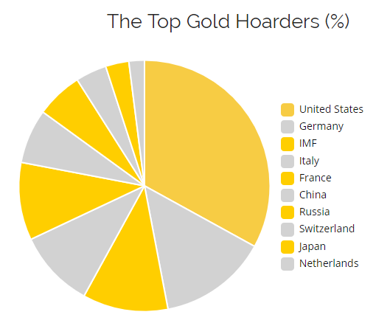

http://imgur.com/r/dataisugly/j2FvPE5

Beach Ball Bar Chart
Bob's Beach Emporium

 | Weekend in August | Temp | BB's Sold
 | First Weekend | 81 | 19
 | Second Weekend | 86 | 22
 | Third Weekend | 71 | 8
 | Fourth Weekend | 62 | 2
 | Fifth Weekend | 95 | 28
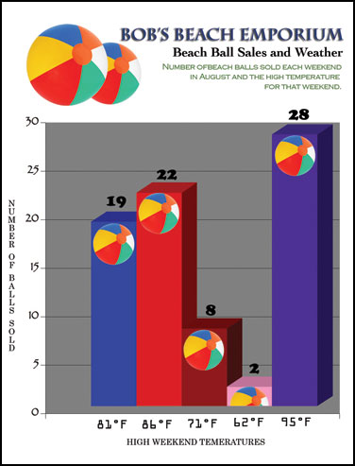
The Corrected Graphic |  |  | The Original Graphic
Insert a chart that more accurately displays the data here.

Gasoline Prices
Idaho Gasoline Wholesale Price by Refiners
 |  |  |  | https://www.eia.gov/dnav/pet/hist/LeafHandler.ashx?n=PET&s=EMA_EPMP_PWG_SID_DPG&f=M
 | Year | U.S. dollars per gallon
 | 2000 | 0.89
 | 2001 | 0.96
 | 2002 | 0.73
 | 2003 | 0.99
 | 2004 | 1.11
 | 2005 | 1.33
 | 2006 | 1.71
 | 2007 | 1.75
 | 2008 | 2.78
 | 2009 | 1.25
 | 2010 | 2.29
 | 2011 | 2.44
 | 2012 | 2.56
 | 2013 | 2.45
 | 2014 | 2.61
 | 2015 | 1.46
 | 2016 | 1.43
 | 2017 | 1.83
 | 2018 | 2.01
 | 2019 | 1.63
 | 2020 | 2.04
 | 2021 | 1.76
 | 2022 | 2.63
The Corrected Graphic |  |  | The Original Graphic
Idaho Gasoline Wholesale Price by Refiners
Insert a Time Series Chart that more accurately displays the data here.

Voteline
Voteline

 | Can Julia Gillard win?
 | Yes | 53
 | No | 517
 |  | 570
The Corrected Graphic |  |  | The Original Graphic
Insert a chart that more accurately displays the data here. |  |  | 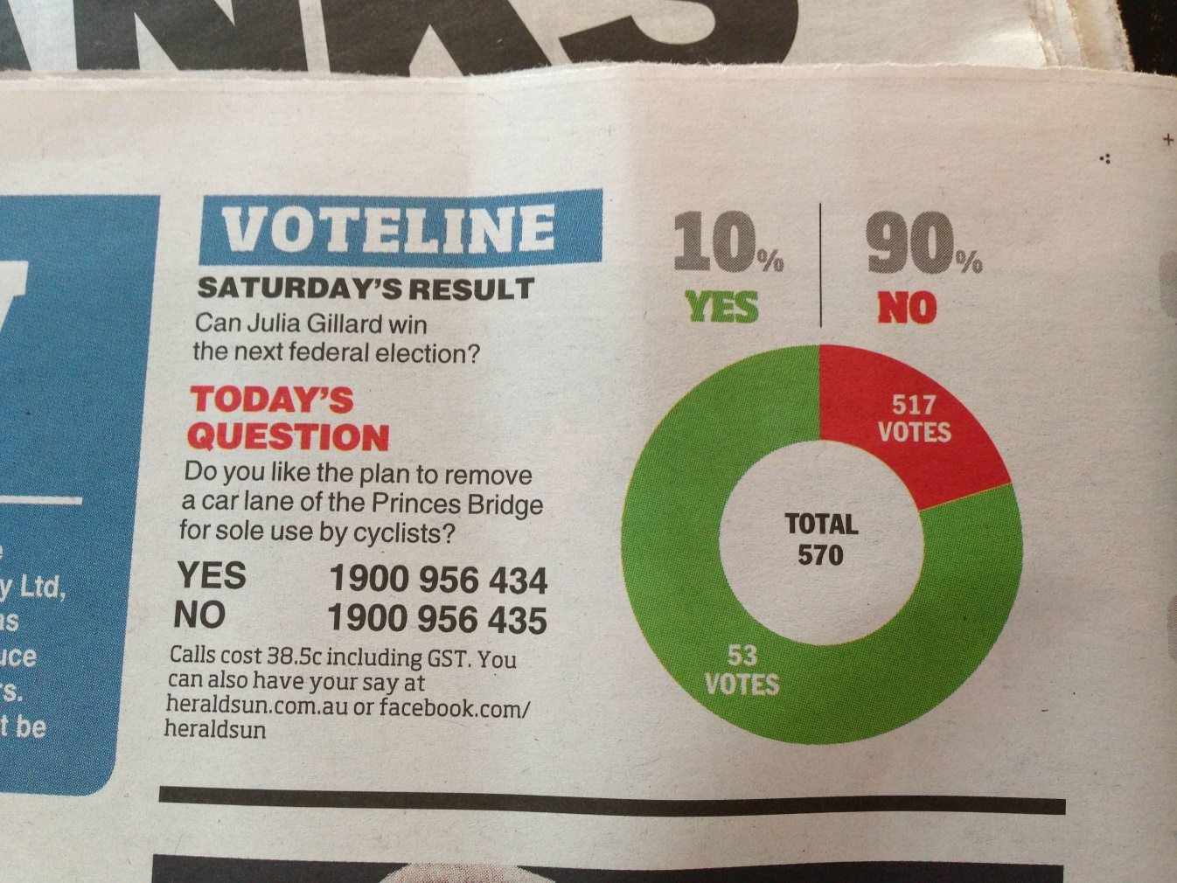

Steps
How Occupation Affects the Number of Steps Taken in a Day

 | Occupation | Steps per day
1 | Waiter | 22778
2 | Nurse | 16390
3 | Retail worker | 14660
4 | Farmer | 14037
5 | Stay-at-home parent | 13813
6 | Teacher | 12564
7 | Tradesperson | 11585
8 | Hairdresser | 9209
9 | Office worker | 7570
10 | Call center associate | 6618

The Corrected Graphic |  |  | The Original Graphic
Insert a bar chart that more accurately displays the data here. |  |  | 